Example 3
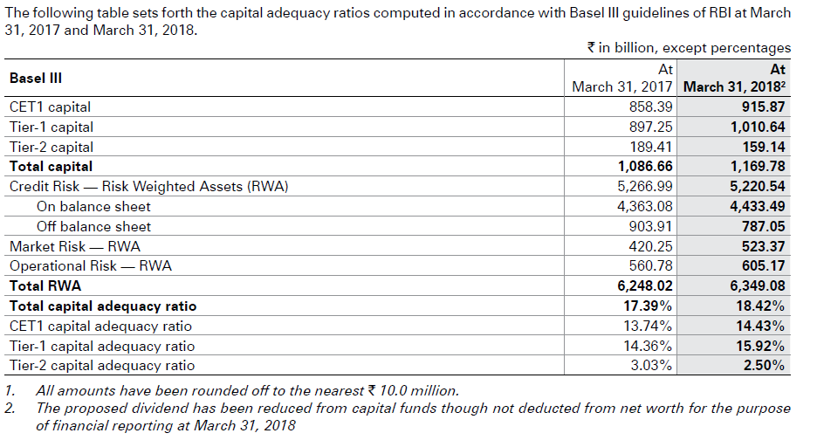
Let us try to understand the Capital Adequacy Ratio (CAR) for ICICI. For the calculati0n of Capital adequacy ratio, we need the numerator which is the tier 1 and tier 2 capital of the bank. We also need the denominator which is the risk-weighted assets.

ICICI Bank (Rs billion)

Tier 1 Capital | 897
Tier 2 Capital | 189
Credit risk weighted assets | 5266
Market risk weighted assets | 420
Operational risk weighted assets | 560
Total Risk weighted assets | 6246

Capital Adequacy Ratio | 17.39%

